Explanation (using Gemini)
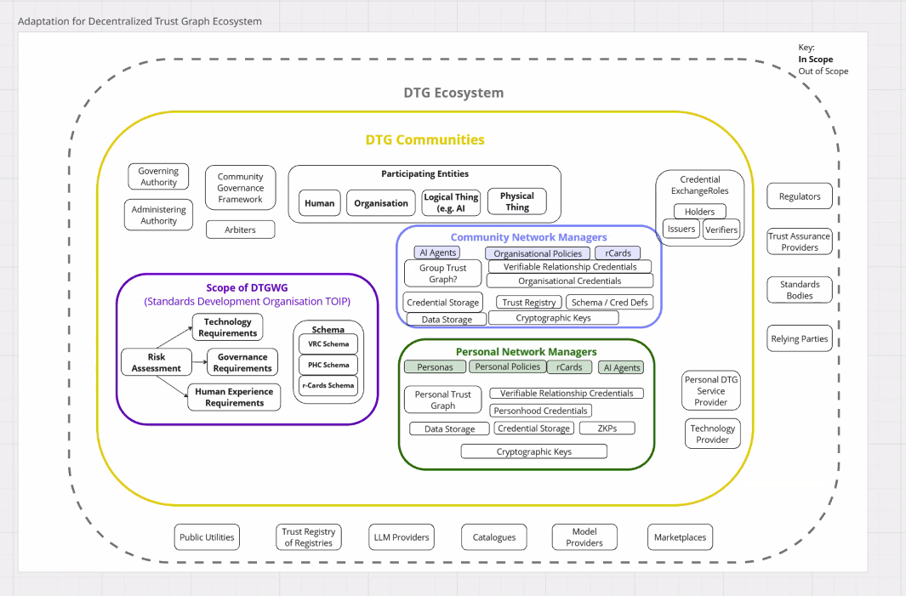
Diagram Component/Interaction | Risk Register Sheet(s) | Alignment
Governance (Overarching rules) | Governance | Risks G1-G5 cover policy drift, governance capture, decision latency, role ambiguity, and opaque decisions.
Identity (Actors, entities) | Identity | Risks ID1-ID5 address ambiguous models, weak onboarding, delegation misconfiguration, lifecycle mismanagement, and behavioral opaqueness.
Schemas (Data structure, semantics) | Schemas | Risks S1-S5 cover semantic divergence, schema collisions, under/over-specification, and model drift.
Credentials (Issuance, verification) | Credentials | Risks C1-C5 cover credential misissuance, misbinding, revocation failures, verifier overreach, and protocol downgrade.
Cryptography (Security foundation) | Cryptography | Risks CR1-CR5 cover key leakage, weak entropy, registry poisoning, side-channel leaks, and unbounded registry growth.
AI Agents (Autonomous decision-makers) | AI Agents | Risks AI1-AI5 cover hallucinated decisions, model poisoning, over-autonomy, adversarial inputs, and recursive agent behavior.
Network Managers (Trust graph) | Network Managers | Risks NM1-NM5 cover trust graph manipulation, misissuance by organizations, rCard lifecycle failures, storage misconfiguration, and policy drift across communities.
Human Experience (User interaction) | Human Experience | Risks HX1-HX5 cover low digital literacy, digital exclusion, cognitive overload, consent ambiguity, and trust graph bias.
External (Regulatory, Marketplace) | External | Risks EX1-EX5 cover marketplace malicious inputs, cross-policy incompatibility, regulatory volatility, jurisdiction conflicts, and utility failure.
Systemic/Interactions (Ecosystem failure) | Systemic | Risks SYS1-SYS5 cover cascading failures (a critical risk in any interconnected system), feedback loop polarization, orphan entities, network partitioning, and legacy credential persistence.

